saturation
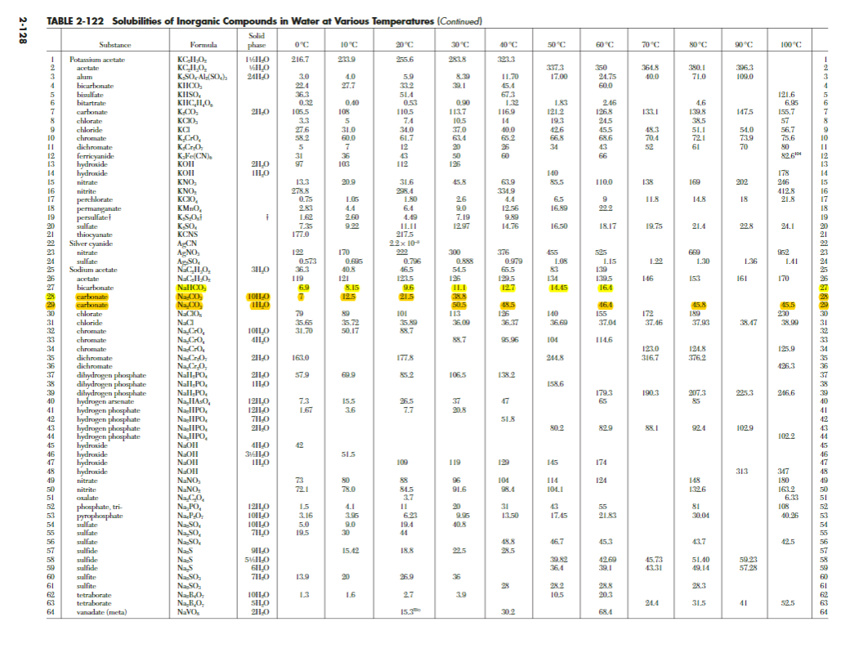
 | T | [NaHCO3]sat (g/kgeau) | [NaHCO3]saturation mol/kg | [NaHCO3]super (g/kgeau)2 | [NaHCO3]supersatmol/kg
 | 0 | 68.95 | 0.82 | 68.946 | 0.82 | Chemistry - Perry's Chemical Engineers' Handbook, 8th Edition - (Don W. Green, Ronald H. Perry) McGraw Hill 2008.pdf
 | 10 | 81.74 | 0.97 | 81.741 | 0.97
 | 20 | 95.74 | 1.14 | 95.736 | 1.14
 | 30 | 110.93 | 1.32 | 110.931 | 1.32
 | 40 | 127.33 | 1.52 | 127.326 | 1.52
 | 50 | 144.92 | 1.73 | 144.921 | 1.73
OMD | 25 | 103.18 | 1.23 | 103 | 1.23
VMD | 29.39 | 109.97 | 1.31 | 110 | 1.31
DCMD | 19.00 | 94.28 | 1.12 | 94 | 1.12

 |  | concentration saturation | concentration supersat (%)
 |  |  | 1

 |  | y = 0,006x²+1,2195x+68,946

ABSO
Absorption |  | Vm |  |  |  |  |  | Parameters to play with
 |  | 0.0248 | m³/mol |  |  |  |  | CO2 in lab (mL/min) | 15.00
 |  |  |  |  |  |  |  | Absorption ratio (%) | 100.00
 |  |  |  |  |  |  |  | ARG | 1
Gas in/out LAB | mL/min | g/mol | m³/min | mol/min | conc mol/m³ | ppmv |  | SAR | 0
CO2in | 15.00 | 44.00 | 0.000015 | 0.000605 | 6.0484 | 1.50E+05 |  | Kov (m³/m²min) | 1.20E-02
Air | 85.00 | 28.95 | 0.000085 | 0.003427 |  |  |  | Abso. capacity (mol/L) | 0.280 | 1.00
CO2out | 0.00015 | 44.00 | 1.50E-10 | 0.0000000 | 7.12E-05 | 1.76E+00 |  | time (min)
CO2 in%vol | 15.00 |  |  |  |  |  |  | AA_loss regeneration (%) | 1.00
 |  |  |  |  |  |  |  | NaHCO3 | 0.00
Gas in/out LCA | kg/h absorbed | X mol/h absorbed | m³/h absorbed | mL/min | % absorbed |  |  | Cfi | 0.639
FU, CO2 absorbed/h | 1.00 | 22.73 | 0.56 | 9394 | 99.999

 | m³/h | mol/h | g/h | mL/min | conc mol/m³ | ppmv | mol fraction %
CO2 in | 0.56 | 22.73 | 1000.01 | 9394 | 6.05 |  | 15% | Data to enter in SIMAPRO |  |  | No loss | with recycling
CO2 out | 0.00 | 0.00 | 0 | 0 | 0.000 | 1.76E+00 | 0% | SOLVENT Mixture IN | OUT | Product |  | kg/h |  | GAS Mixture | OUT | Product
Air in | 3.19 | 128.79 | 3728 |  |  |  |  |  |  | Solvent Mixture (kg/h) |  | 75 |  |  |  | Gas Mixture (g/h) | 4728
Air out | 3.19 |  | 3728 |  |  |  |  |  | IN | From Materials/Fuels |  |  |  |  | IN | From Nature
Vgi (m³/h) | 3.76 |  |  |  |  |  |  |  |  | H2O (kg) | 66.6 | 67 |  |  |  | CO2 (g) | 1000
Vgo (m³/h) | 3.19 |  |  |  |  |  |  |  |  | Na2CO3 • 7H2O (kg) | 8.2 | 8.2 |  |  |  | Air (g) | 3728

 | Fresh solvent (arithm) | Saturation (LN) | Henry constant | 0.82 |  |  |  |  |  | ARG (g) | 6193 | 61.93
 |  |  |  |  |  |  |  |  |  | SAR (g) | 0 | 0.00
Kov (for CO2 in and CO2out) (m³/m²s) | 2.00E-04
Driving force (mol/m³) | 3.02 | 0.46 |  |  |  |  |  | STEP ABSO | OUT | Product
Flux (mol/m²s) | 6.05E-04 | 9.26E-05 |  |  |  |  |  |  |  | ABSO (kg) | 82
Membrane area (m²) LCA | 10.44 | 68.19
 |  |  |  |  |  |  |  |  | IN | From Materials/Fuels
Solvent in | mol/kgH2O | Mm g/mol | kg/kg_h2O | x mass fraction ARG | x mass fraction SAR | density kg/L | kg/h |  |  | Solvent mixture (kg) | 81
H2O |  |  | 1.00 | 87.7% | 92.6% | 1.00 | 71 |  |  | Gas mixture (kg) | 4.73
Na2CO3 | 0.50 | 106.00 | 0.053 | 4.6% | 4.9% | 2.54 | 3.77 |  |  | CaCl2 (g) | 8.86
ARG | 0.50 | 174.20 | 0.087 | 7.6% |  | 1.42 | 6.19 |  |  | Membrane PP (m²) | 10.44 | 2.4 | cm2 | = w/membr. Life time
SAR | 0.00 | 89.09 | 0.027 |  | 2.5% | 1.093 | FALSE |  |  | Energy (kJ) | 1896
NaHCO3
Total |  |  |  |  |  | 1.10 | 81
 |  |  |  |  |  |  | 81.14
Materials | m² | density g/m³ | thickness membrane m | m³ | g |  |  | SOLVENT Mixture OUT |  | Product |  | kg/h | mass fraction
Polypropylene membrane | 10.44 | 9.00E-07 | 3.00E-05 | 3.131E-04 | 2.82E-10 |  |  |  |  | Solvent Mixture (kg/h) | 0 | 76
 |  |  |  |  |  |  |  |  |  | From Materials/Fuels
 | g/m²h | g/h |  |  |  |  |  |  |  | H2O (kg) | 66.6 | 66.6
CaCl2 granulars IN | 0.85 | 8.86 |  |  |  |  |  |  |  | Na2CO3 • 7H2O (kg) | 5.8 | 5.8
 |  |  |  |  |  |  |  |  |  | ARG (g) | 6193 | 61.93
Equipement (NRJ) |  |  |  | Watt | kJ |  |  |  |  | SAR (g) | 0 | 0.00
MFC (x2) |  |  |  | 16.00 | 57.60 |  |  |  |  | NaHCO3 | 3.82 | 3.82
Gear pump (solvent -> membrane) |  |  |  | 80.00 | 288.00
Pump calcul |  |  |  | 4.57
Gas analyser concentration | 24 vdc | 2,5 A | 60.00
Gas analyser flow rates | 12-24 vdc | 400 mA max | 0.80
Gas analyser TOTAL |  |  |  | 60.80 | 218.88
Stirring small |  |  |  | 220.00
Stirring 100-5000L |  |  |  | 750.00
Stirring average 50-100 L |  |  |  | 370.00 | 1332.00
Total |  |  |  |  | 1896

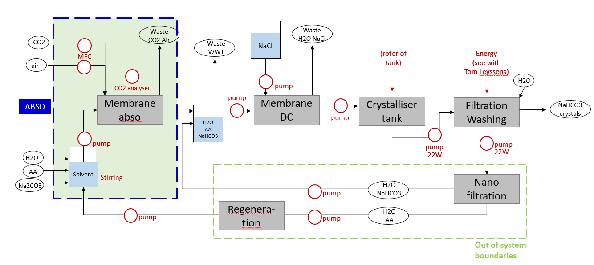
 | g/mol | % | kg/h
Na2CO3 7H2O | 232.00 |  | 8.24
Na2CO3 | 106.00 | 0.46 | 3.77
7H2O | 126.00 | 0.54
 | M | g/kgH2O
Na2CO3 7H2O | 0.50 | 116.00

OMD
Osmotic membrane crystallisation

Molar mass NaHCO3 | 84 | g/mol |  |  |  | Parameters to play with
 |  |  |  |  |  | NaHCO3 in FEED (g/kgeau) | 0.64 | NaHCO3 conc. can vary between 0.8 to 1.4 mol/l. = 67 to 117 g/L
Permeate IN | kg/h | mol/L (M) | aw_p,in |  |  | NaHCO3 out FEED (g/kgeau) | 1.23
H2O in | 63 |  |  |  |  | Kov (m³/m²sPa) | 5.18E-11
NaCl (300g/kgH2O) | 19 | 5.17 | 0.742 |  |  | H2O in feed (kg_h2o/h) | 71
Permeate in | 82.0 |  |  |  |  | Feed in (kg/h) | 82
 |  |  |  |  |  | Temperature | 25
Feed IN | kg/h | mol/L | aw_f,in |  |  | ARG | 1
H2O | 71 |  |  |  |  | SAR | 0
NaHCO3 | 3.82 | 0.64 | 0.981
AA -ARG | 6.18 | 0.5 | 0.992
AA - SAR | 0 | 0.00 | 0.849 |  |  | Data to enter in SIMAPRO
Total |  |  | 0.973 |  |  | Permeate | OUT | Product
 |  |  |  |  |  |  |  | Permeate (kg/h) | 82
Feed OUT | g/kgH2O |  |  |  |  |  | IN | From Materials
NaHCO3 in | 53.76 |  |  |  |  |  |  | H2O (kg) | 63
NaHCO3 out | 103.18 |  |  |  |  |  |  | NaCl (kg) | 19
Temperature (°C) | 25
N H2O evap (kg/h) | 34
 |  |  |  |  |  | OMD | OUT | Product
Feed OUT | kg/h | mol/L | aw_f,out |  |  |  |  | OMD (kg/h) Feed out | 37
H2O out | 36.99 |  |  |  |  |  |  | Waste treatment
NaHCO3 out | 3.82 | 1.23 | 0.964 |  |  |  |  | WWT (kg/h) Permeate out | 116
AA -ARG | 6.18 | 0.96 | 0.989 |  |  |  | IN | From Materials
AA - SAR | 0.00 | 0.00 | 0.980 |  |  |  |  | Permeate (kg/h) | 82 |  |  | (cm²)
Feed out | 36.55 |  | 0.953 |  |  |  |  | ABSO (L/h) | 82
 |  |  |  |  |  |  |  | Membrane PP (m²) | 353 | w/membr. Life time | 81
Permeate out | kg/h | mol/L (M) | aw_p,out | salinity (g/kg) |  |  |  | Energy (kJ) | 864
H2O out | 97.52 |  |  |  |  |  |  | Calculated Energy (kJ) | 62
NaCl out | 19 | 3.35 | 0.849 | 194.04
Permeate OUT | 116.45
 |  |  |  | 41 | 0.796
Kov (m³/Pa m² s) | 5.18E-11 |  |  | mean awp arg | 0.963
Temperature (K) | 298 |  |  | mean awp sar | 0.889
Pvap (Pa) | 3115
Driving force (Pa) | 523 | 497 |  | DP in | 720
Flux (m³/m² s) | 2.71E-08 |  |  | DP out | 325
Membrane area (m²) | 353 |  |  | mean DP | 523
 |  |  |  | Flux | 2.71E-08

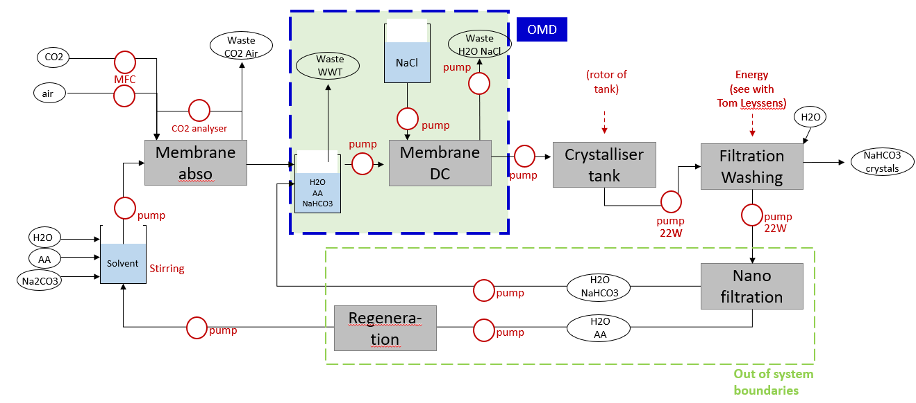
Equipement (NRJ) | Watt | kJ
2 Gear pumps (feed in membrane + permeate in membrane ) | 160.00 | 576.00
1 gear pump (permeat out membrane) | 80 | 288.00

Total |  | 864.00

Calculated pumps | 17.23 | 62.01

Brine disposal

DCMD
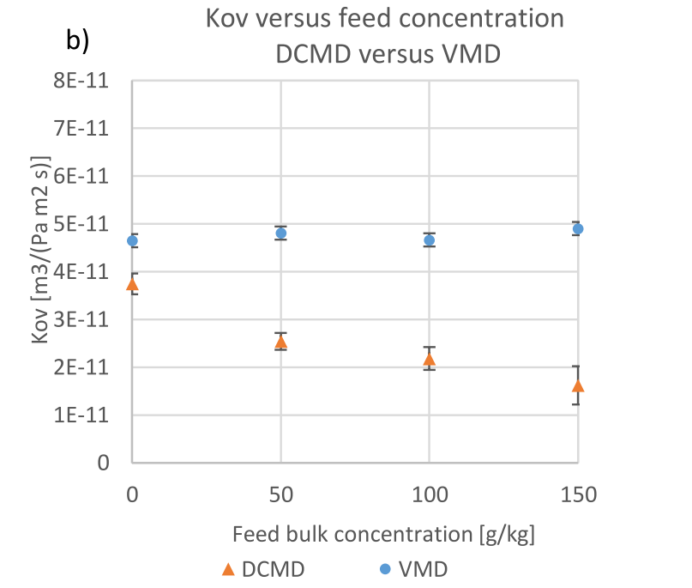
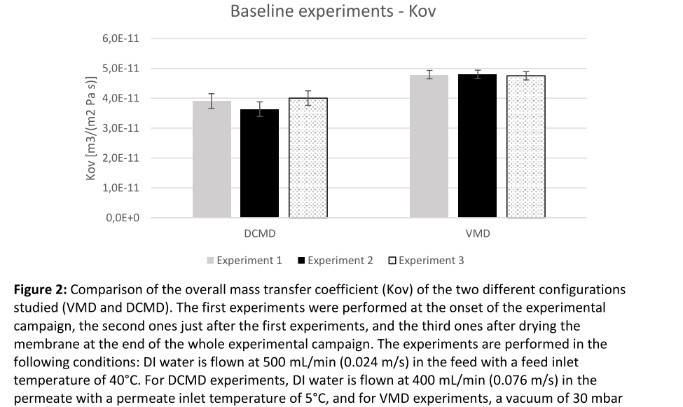
Direct contact membrane DC

Permeate IN | kg/h |  |  |  |  |  | Parameters to play with
H2O | 78 |  |  |  |  |  | NaHCO3 in (g/kgeau) | 0.64
Tpi | 5 |  |  |  |  |  | NaHCO3 out (g/kgeau) | 1.12
 |  |  |  |  |  |  | Kov | 2.22E-11
Feed IN | kg/h | mol/L | aw_f,in |  |  |  | H2O in feed (kg_h2o/h) | 71
H2O in | 71.00 |  |  |  |  |  | Feed in (kg/H) | 82
NaHCO3 | 4 | 0.64 | 0.963 |  |  |  | ARG | 1
AA - ARG | 6 | 0.5 | 0.992 |  |  |  | SAR | 0
AA - SAR | 0.00 | 0 | 0.849 |  |  |  | Tfi | 40
Feed in | 82.00 |  | 0.955 |  |  |  | Tpi | 5
Tfi | 40 |  |  |  |  |  | Tfo | 19
 |  |  |  |  |  |  | Tpo | 27
Feed OUT | g/kgH2O |  |  |  |  |  |  |  |  |  |  |  |  | DCMD influence Tpi Qfi500
NaHCO3 in | 53.76 |  |  |  |  |  | Data to enter in SIMAPRO |  |  |  |  |  |  | Tfi | 20 | 25 | 30 | 35 | 40
NaHCO3 out | 94.28 |  |  |  |  |  | DCMD | OUT | Product |  |  |  |  | Tfo | 11.22 | 13.37 | 15.72 | 18.16 | 20.75 | 109%
Tfo | 19 |  |  |  |  |  |  |  | DCMD (L/h) Feed out | 51 |  |  |  | Tpi | 5 | 5 | 5 | 5 | 5
H2O evap Z (kg/h) | 31 |  |  |  |  |  |  |  | Avoided product |  |  |  |  | Tpo | 16.6 | 20.69 | 24.04 | 27.2 | 30.25 | 112%
 |  |  |  |  |  |  |  |  | H2O (kg) Permeate out | 109
 | kg/h | mol/L | aw_f,in |  |  |  |  | IN | From Materials |  |  |  |  | DCMD influence Tfi Qfi400
H2O out | 40.48 |  |  |  |  |  |  |  | ABSO (kg/h) | 82 |  |  |  | Tfi | 20.00 | 25.00 | 30.00 | 35.00 | 40.00
NaHCO3 out | 3.82 | 1.12 | 0.957 |  |  |  |  |  | Permeat in H2O (kg/h) | 78 |  |  |  | Tfo | 10.27 | 12.24 | 14.39 | 16.63 | 19.00
AA - ARG | 6 | 0.88 | 0.992 |  | mean awf ARG | 0.952 |  |  | Membrane mm (m²) | 166 | w/membr. Life time | 38 | (cm²) | Tpi | 5.00 | 5.00 | 5.00 | 5.00 | 5.00
AA - SAR | 0 | 0.00 | 0.911 |  | mean awf SAR |  |  |  | NRJ total (MJ) calculated | 12.0 |  |  |  | Tpo | 14.82 | 18.47 | 21.46 | 24.28 | 27.00
Feed out | 51.09 |  | 0.949 |  |  |  |  |  | NRJ total (MJ) no calcul | 12.6 |  |  |  | Kov no AA |  | 2.00E-11 | 2.50E-11 | 2.20E-11 | 2.30E-11
 |  |  |  |  |  |  |  |  |  |  |  |  |  | Kov with AA |  | 1.71E-11 | 2.14E-11 | 1.88E-11 | 1.97E-11
Permeate OUT | kg/h
H2O | 109
Tpo | 27 |  |  |  |  |  |  |  |  |  |  |  |  | DCMD influence Tpi Qfi500
 |  |  |  |  |  |  |  |  |  |  |  |  |  | Tfi | 40 | 40 | 40 | 40 | 40
 |  |  |  |  |  |  |  |  |  |  |  |  |  | Tfo | 20.75 | 23.02 | 24.45 | 28.17 | 31.12 | 109%
Pfi | 7300 | Tfi | 313 | DP in | 6130.8012176 |  |  |  |  |  |  |  |  | Tpi | 5 | 10 | 15 | 20 | 25
Pfo | 2152 | Tfo | 292 | DP out | -1466.8187489 |  |  |  |  |  |  |  |  | Tpo | 30.25 | 32.28 | 34.03 | 35.34 | 36.52 | 112%
Ppi | 843 | Tpi | 278 | mean DP | 2332
Ppo | 3510 | Tpo | 300 |  |  |  |  |  |  |  |  |  |  | DCMD influence Tpi Qfi400
 |  |  |  |  |  |  |  |  |  |  |  |  |  | Tfi | 40.00 | 40.00 | 40.00 | 40.00 | 40.00
Kov (m³/Pa m² s) | 2.22E-11 |  |  |  |  |  |  |  |  |  |  |  |  | Tfo | 19.00 | 21.08 | 22.39 | 25.79 | 28.50
Driving force (Pa) | 2332 |  |  |  |  |  |  |  |  |  |  |  |  | Tpi | 5.00 | 10.00 | 15.00 | 20.00 | 25.00
Flux (m³/m² s) | 5.18E-08 |  |  |  |  |  |  |  |  |  |  |  |  | Tpo | 27.00 | 28.81 | 30.37 | 31.54 | 32.60
Membrane area (m²) | 166 |  |  |  |  |  |  |  |  |  |  |  |  | Kov no AA | 2.30E-11 | 2.30E-11 | 2.30E-11 | 2.30E-11
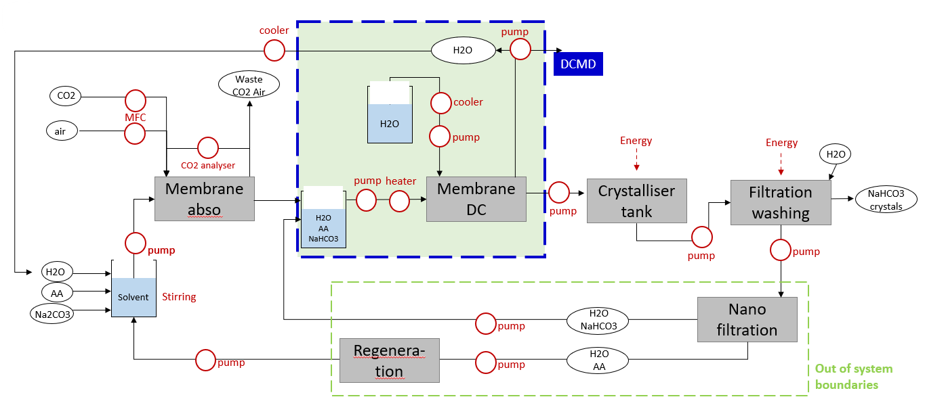
 |  |  |  |  |  |  |  |  |  |  |  |  |  | kov with AA | 1.97E-11 | 1.97E-11 | 1.97E-11 | 1.97E-11
Equipement (NRJ) |  |  | Watt | kJ | % | kJ (max PCF)
Efi Gear pumps (feed in) |  |  | 80 | 288 | 2% | 288
E Heater fi (feed in) |  |  | 1243 | 4473 | 37% | 5591
E Cooler H2O pi (permeate in) |  |  | 2009 | 7232 | 60% | 9041
Epo Calcul pump (permeate out) |  |  | 6 | 22 | 0% | 288
Epi Calcul Pump (permeate in) |  |  | 4 | 16 | 0% | 288

 |  |  | calcul | 12031
 |  |  | no calcul | 12569

VMD
Vacuum membrane DC

 |  |  |  |  |  | Parameters to play with
Permeate IN |  |  |  |  |  | NaHCO3 in (g/kgeau) | 0.89
-- |  |  |  |  |  | NaHCO3 out (g/kgeau) | 1.31
 |  |  |  |  |  | Kov | 3.93E-11
Feed IN | kg/h | mol/L | aw_f,in |  |  | H2O in feed (kg_h2o/h) | 51
H2O | 51.00 |  |  |  |  | Feed in (kg/H) | 55
NaHCO3 | 4 | 0.89 | 0.981 |  |  | ARG | 0
AA - ARG | 0 | 0 | 0.992 |  |  | SAR | 1
AA - SAR | 1 | 0.3 | 0.849 |  |  | Tfi | 30
feed in | 55.00 |  | 0.833 |  |  | Tfo | 29.39
Tfin (°C) | 30

Feed OUT | g/kgH2O
NaHCO3 in | 74.76 |  |  |  |  | Data to enter in SIMAPRO
NaHCO3 out | 109.97 |  |  |  |  | VMD | OUT | Product
Tfout (°C) | 29.39 |  |  |  |  |  |  | VMD (kg/h) Feed out | 39
H2O evap Z (kg/h) | 16 |  |  |  |  |  |  | Avoided product
 |  |  |  |  |  |  |  | H2O (kg) Permeate out | 16
 | kg/h | mol/L | aw_f,out |  |  |  | IN | From Materials
H2O out | 34.70 |  |  |  |  |  |  | ABSO (kg/h) | 55
NaHCO3 out | 4 | 1.31 | 0.962 |  |  |  |  | Membrane (m²) | 170 | 38.90 | (cm³)
AA - ARG | 0 | 0.00 | 0.992 |  |  |  |  | NRJ total (MJ) | 39
AA - SAR | 1.36 | 0.44 | 0.996
Feed out | 38.70 |  | 0.958

Permeate OUT | kg/h
H2O out = permeate out | 16.30 |  |  |  |  |  |  | VMD Tfi change Qf500 | 25 | 30 | 35 | 40
Tpout (°C) | 37.57 |  |  |  |  |  |  | Tfo | 25 | 29.64 | 33.67 | 37.82 | 101%

Kov (m³/Pa m² s) | 3.93E-11 |  |  |  |  |  |  | Tfi change Qf400
Pfi | 4184 | Tfi | 303 | DP in | 484 |  |  | Tfi | 25 | 30 | 35 | 40
Pfo | 4038 | Tfo | 302.39 | DP out | 869 |  |  | Tfo | 24.75 | 29.39 | 33.39 | 37.50
Pp | 3000 |  |  | DP mean | 676 |  |  | kov no AA | 4.50E-11 | 4.60E-11 | 5.00E-11 | 4.80E-11
Driving force (Pa) | 676 | 657.7 |  |  |  |  |  | Kov with AA | 3.85E-11 | 3.93E-11 | 4.28E-11 | 4.10E-11
Flux (m³/m² s) | 2.66E-08
Membrane area (m²) | 170

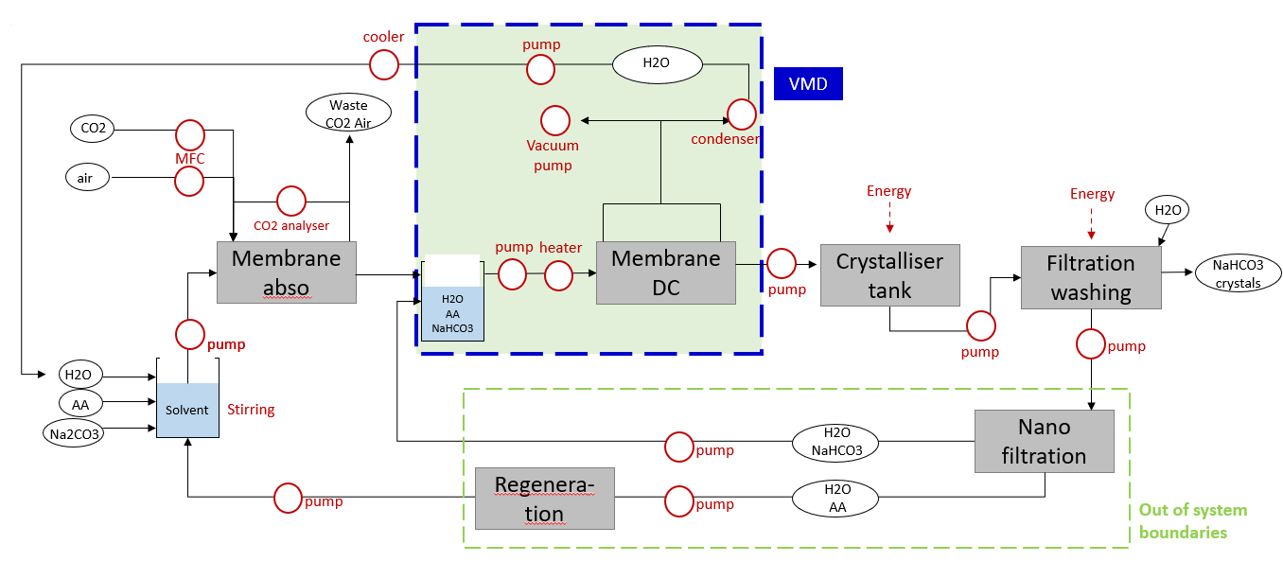
Equipement (NRJ) |  |  | Watt | kJ (minimum) | kJ (max PCF)
1 gear pump (feed in) |  |  | 80.00 | 288.00
E Heater fi feed (feed in) |  |  | 298 | 1071 | 1339
E_condenser po Cooler H2O (permeate out) |  |  | 10222 | 36800 | 46000
1 gear pump (permeate out condenser) |  |  | 80.00 | 288.00
Vacuum pump (permeate) |  |  | 40 | 144.00
 |  |  |  | 38591 | 48347

vacuum pump Calcul |  |  | 0.014 | 0.049

 |  |  |  |  |  |  | STEP_VMD energy input

POST
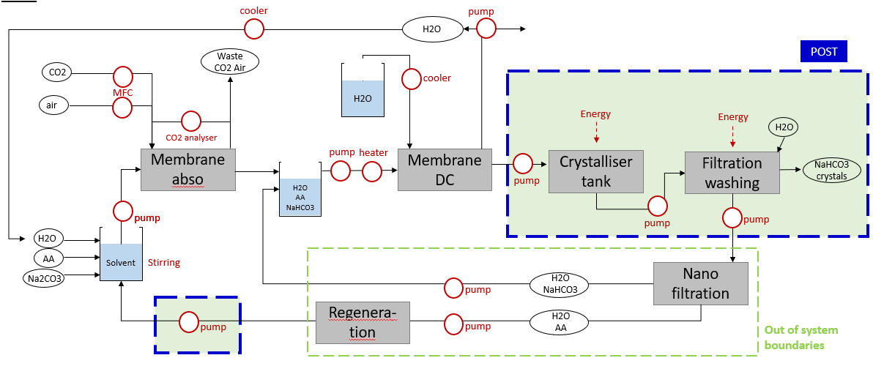
Post-treatment | SOMME (MJ) | 18.86

 | watt
1 gear pump (membrane -> cryst tank) | 80 | 288 | kJ
Crystalliser tank | 120 | 432 | kJ
1 gear pump (cryst tank -> filtration+washing) | 80 | 288 | kJ
Filtration Scroll decanter | 2400 | 8640 | kJ
Washing | 2400 | 8640 | kJ
1 gear pump (washing -> regeneration or waste) | 80 | 288 | kJ
1 gear pump (regeneration -> ABSO) | 80 | 288 | kJ

Washing agent
H2O | 10 | L/h

Driving force
 |  | Driving force
 |  | Arithm | LN
absoA.s0 | vmd.s0 | 3586 | 3570 | 16
absoA.s1 | vms.s0.tfi35 | 2118 | 2113.3 | 4.6607350159
absoA.s2 | vms.s0.tfi30 | 957 | 958.4 | -1.3582077024
absoS.kMax | vmd.s1.tfi40 | 3094 | 3094 | 0
absoS.kMax | vmd.s1.tfi30 | 676 | 657 | 19

