H2 Correlation matrix
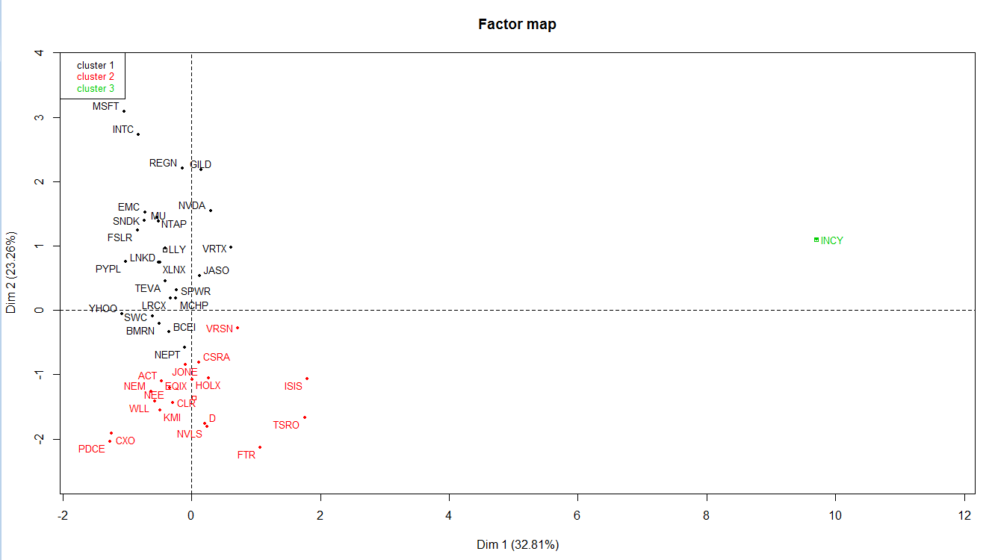
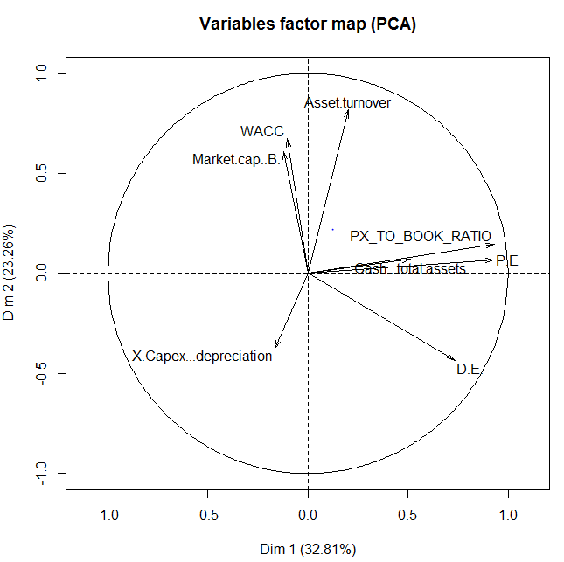
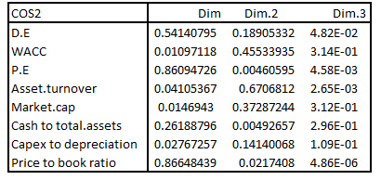
H2 : Correlation Matrix

 | Asset turnover | Cash to total assets | D/E | Market Cap | P/E | Price to book ratio | Wacc | Capex to depreciation
Asset turnover | 1 | 0.6538176 | -0.09606196 | 0.36561896 | 0.26860582 | 0.36829841 | 0.29636687 | -0.3240783
Cash to total assets | 0.6538176 | 1 | 0.3848339 | -0.0464223 | 0.7320902 | 0.77708048 | 0.21323882 | -0.28294354
D/E | -0.09606196 | 0.3848339 | 1 | -0.23074034 | 0.66096664 | 0.60664569 | -0.59828083 | -0.13256368
Market Cap | 0.36561896 | -0.0464223 | -0.23074034 | 1 | -0.11844229 | -0.04739793 | -0.02143094 | -0.20295484
P/E | 0.26860582 | 0.7320902 | 0.66096664 | -0.11844229 | 1 | 0.98440486 | -0.08175064 | -0.05708409
Price to book ratio | 0.36829841 | 0.77708048 | 0.60664569 | -0.04739793 | 0.98440486 | 1 | -0.053393 | -0.08524743
Wacc | 0.29636687 | 0.21323882 | -0.59828083 | -0.02143094 | -0.08175064 | -0.053393 | 1 | -0.11048911
Capex to depreciation | -0.3240783 | -0.28294354 | -0.13256368 | -0.20295484 | -0.05708409 | -0.08524743 | -0.11048911 | 1

